Notes
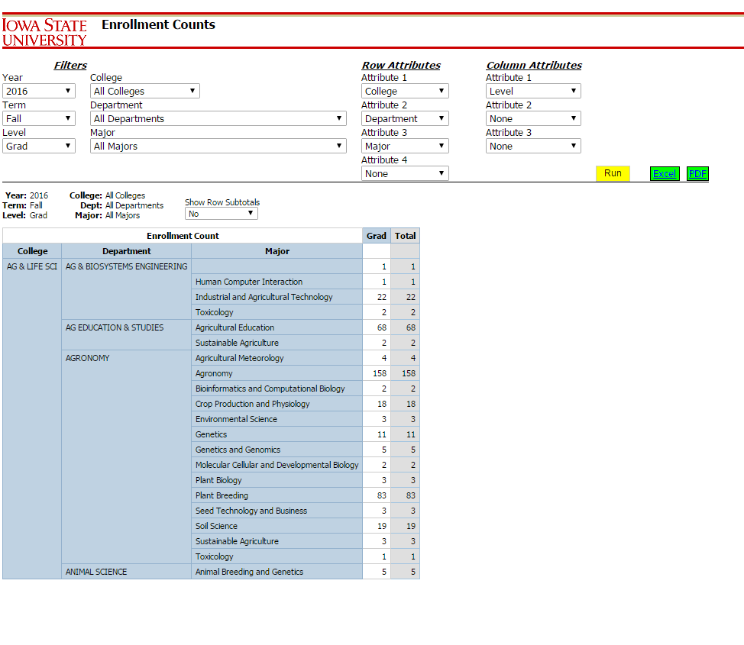
Select from e-Data Self-Service Enrollment Reports with the following selections. Then click “Run” and “Excel”:

